Budget
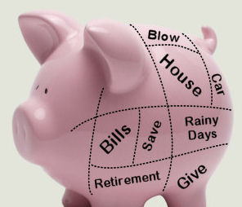
 |  | Budget for Retirement Years
Item | Cost/Year
Groceries | $10,400.00
Eating out | $800.00
Clothing | $2,000.00
Electricity/Gas | $1,800.00
Water | $1,200.00
Gardner | $1,200.00
Mortgage
Home repairs | $2,000.00
Vacation/Travel | $5,000.00
Car Insurance | $1,200.00
Automobile repair including depreciation | $3,000.00
Gas for cars | $5,200.00
Home Insurance | $1,200.00
Medical copayment | $6,000.00
Medicine/Vitamins | $3,600.00
Phone Internet | $2,400.00
Tools | $200.00
Gifts | $3,000.00
Entertainment | $1,000.00
Miscellanous | $3,000.00
Home Repairs | $2,000.00
State and Federal Taxes | $5,000.00
Appliances | $2,000.00

Total Income Needed Year 1 | $63,200.00

Years
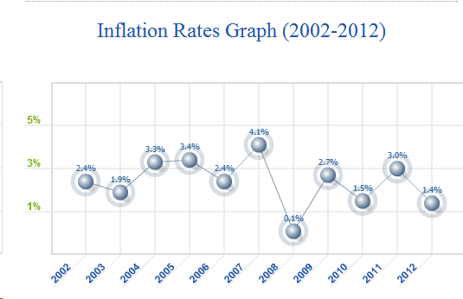
Land of Critical Mass
Average Inflation rate per year | 3.0%
Average Growth of investments above the inflation rate (assumes 50-50 mix of stock and bonds) | 3.0% | Average Investment Growth Rate with Inflation= | 6.0%

Yearly Income Needed in First Year | $63,200.00
Social Security/Month | $1,200.00
Fixed annuity and pension/month | $1,200.00
Savings and Investments including IRA, 401K | $500,000.00 |  | Year | Spending | Annuity / Pension | Social Security | Needed from savings | Savings+Growth | Savings Left
 |  |  |  |  |  |  |  |  | $500,000.00
Number of years of retirement |  |  | 1 | $63,200.00 | $14,400.00 | $14,400.00 | $34,400.00 | $511,768.00 | $477,368.00
 |  |  | 2 | $65,096.00 | $14,400.00 | $14,832.00 | $35,864.00 | $487,002.16 | $451,138.16
 |  |  | 3 | $67,048.88 | $14,400.00 | $15,276.96 | $37,371.92 | $458,399.33 | $421,027.41
 |  |  | 4 | $69,060.35 | $14,400.00 | $15,735.27 | $38,925.08 | $425,658.77 | $386,733.69
 |  |  | 5 | $71,132.16 | $14,400.00 | $16,207.33 | $40,524.83 | $388,459.55 | $347,934.72
 |  |  | 6 | $73,266.12 | $14,400.00 | $16,693.55 | $42,172.57 | $346,459.34 | $304,286.76
 |  |  | 7 | $75,464.11 | $14,400.00 | $17,194.35 | $43,869.75 | $299,293.00 | $255,423.25
 |  |  | 8 | $77,728.03 | $14,400.00 | $17,710.18 | $45,617.84 | $246,571.19 | $200,953.34
 |  |  | 9 | $80,059.87 | $14,400.00 | $18,241.49 | $47,418.38 | $187,878.80 | $140,460.42
 |  |  | 10 | $82,461.67 | $14,400.00 | $18,788.73 | $49,272.93 | $122,773.39 | $73,500.46
 |  |  | 11 | $84,935.52 | $14,400.00 | $19,352.40 | $51,183.12 | $50,783.43 | ($399.68)
 |  |  | 12 | $87,483.58 | $14,400.00 | $19,932.97 | $53,150.61 | ($28,593.49) | ($81,744.10)
 |  |  | 13 | $90,108.09 | $14,400.00 | $20,530.96 | $55,177.13 | ($115,892.63) | ($171,069.76)
 |  |  | 14 | $92,811.33 | $14,400.00 | $21,146.89 | $57,264.45 | ($211,684.10) | ($268,948.55)
 |  |  | 15 | $95,595.67 | $14,400.00 | $21,781.29 | $59,414.38 | ($316,575.08) | ($375,989.46)
 |  |  | 16 | $98,463.54 | $14,400.00 | $22,434.73 | $61,628.81 | ($431,212.10) | ($492,840.91)
 |  |  | 17 | $101,417.45 | $14,400.00 | $23,107.77 | $63,909.67 | ($556,283.49) | ($620,193.16)
 |  |  | 18 | $104,459.97 | $14,400.00 | $23,801.01 | $66,258.96 | ($692,522.00) | ($758,780.97)
 |  |  | 19 | $107,593.77 | $14,400.00 | $24,515.04 | $68,678.73 | ($840,707.55) | ($909,386.29)
 |  |  | 20 | $110,821.58 | $14,400.00 | $25,250.49 | $71,171.10 | ($1,001,670.15) | ($1,072,841.24)
 |  |  | 21 | $114,146.23 | $14,400.00 | $26,008.00 | $73,738.23 | ($1,176,292.98) | ($1,250,031.20)
 |  |  | 22 | $117,570.62 | $14,400.00 | $26,788.24 | $76,382.38 | ($1,365,515.74) | ($1,441,898.11)
 |  |  | 23 | $121,097.74 | $14,400.00 | $27,591.89 | $79,105.85 | ($1,570,338.10) | ($1,649,443.94)
 |  |  | 24 | $124,730.67 | $14,400.00 | $28,419.65 | $81,911.02 | ($1,791,823.42) | ($1,873,734.44)
 |  |  | 25 | $128,472.59 | $14,400.00 | $29,272.24 | $84,800.35 | ($2,031,102.70) | ($2,115,903.05)
 |  |  | 26 | $132,326.77 | $14,400.00 | $30,150.40 | $87,776.36 | ($2,289,378.70) | ($2,377,155.07)
 |  |  | 27 | $136,296.57 | $14,400.00 | $31,054.91 | $90,841.65 | ($2,567,930.45) | ($2,658,772.10)
 |  |  | 28 | $140,385.47 | $14,400.00 | $31,986.56 | $93,998.90 | ($2,868,117.85) | ($2,962,116.75)
 |  |  | 29 | $144,597.03 | $14,400.00 | $32,946.16 | $97,250.87 | ($3,191,386.72) | ($3,288,637.59)
 |  |  | 30 | $148,934.94 | $14,400.00 | $33,934.54 | $100,600.40 | ($3,539,274.05) | ($3,639,874.45)

Critical Mass

Land of Critical Mass
Quick Calculation
What is needed according to financial experts = (Amount you need Yearly from savings)/(Average Investment Growth Rate Above Inflation)
Average Inflation rate per year | 3.0%
Average Yearly Growth of investments above the inflation rate | 3.0% | Total Yearly Growth Rate of Investments= | 6.0%

Yearly Income needed per year starting now | $63,200.00 | $45,000.00 |  | $80,000.00

Fixed Pensions and Annuities per month | $1,200.00 | $1,200.00 |  | $1,200.00

Income needed in first year above fixed amounts | $48,800.00 | $30,600.00 |  | $65,600.00
Social Security Net Income/month (with inflation) | $1,200.00 | $1,200.00 |  | $1,200.00
Amount you need yearly from savings | $34,400.00 | $16,200.00 |  | $51,200.00

Critical Mass needed now | $1,146,667 | $540,000 |  | $1,706,667

Corollary: You should Withdraw each Year no more than your Average Investment Growth rate Above Inflation | $34,400.00 | $16,200.00 |  | $51,200.00

